NSS USD
Sandvik Mining and Construction (Private) Limited
Valuation of Treasury bills
Oct-24

 | Inputs | Values
 | B0 | 0.04
 | B1 | 0.008
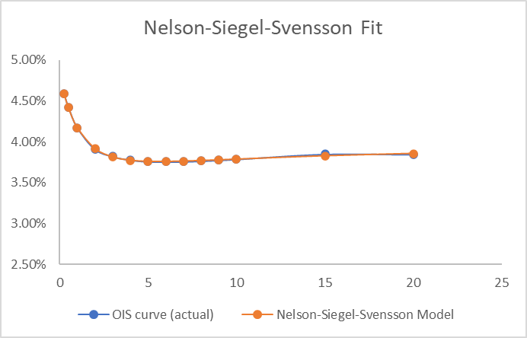
 | B2 | -0.01
 | B3 | -0.014
 | T1 | 2.879
 | T2 | 1.13

 | Term | OIS curve (actual) | Nelson-Siegel-Svensson Model | Change
 | 0.25 | 0.045845 | 0.045871892561 | 2.6892560692E-05
 | 0.5 | 0.044213 | 0.044163863188 | 4.9136811504E-05
 | 1 | 0.041707 | 0.041715285959 | 8.2859588315E-06
 | 2 | 0.03908 | 0.039163751543 | 8.3751542531E-05
 | 3 | 0.038219 | 0.038132223849 | 8.6776150877E-05
 | 4 | 0.037773 | 0.037728833471 | 4.4166529105E-05
 | 5 | 0.037588 | 0.037593870605 | 5.8706048871E-06
 | 6 | 0.03755 | 0.037579322958 | 2.9322958483E-05
 | 7 | 0.037575 | 0.037621754864 | 4.6754863761E-05
 | 8 | 0.037652 | 0.03769208664 | 4.008664004E-05
 | 9 | 0.03775 | 0.037775748327 | 2.5748326951E-05
 | 10 | 0.037868 | 0.037864750263 | 3.249736532E-06
 | 15 | 0.038482 | 0.038278179031 | 0.0002038209692
 | 20 | 0.03845 | 0.038571376445 | 0.00012137644469

